Photo Reference
Photo Reference
The hose position is marked in red on each photo · Confidential

P-01 · Line 1 | P-02 · Line 2
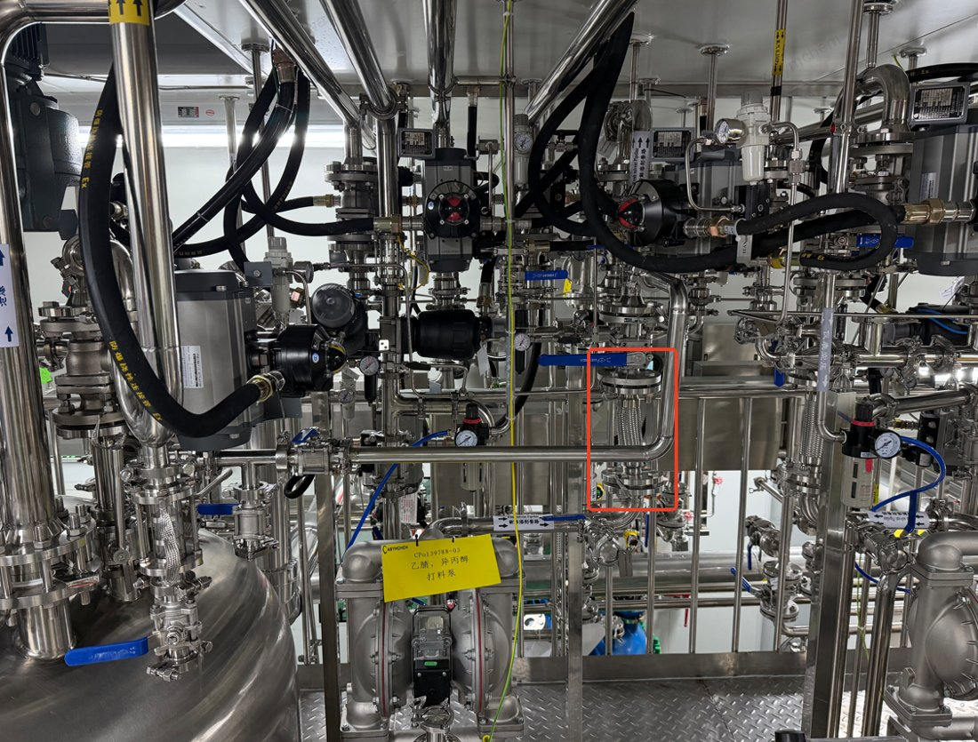 | 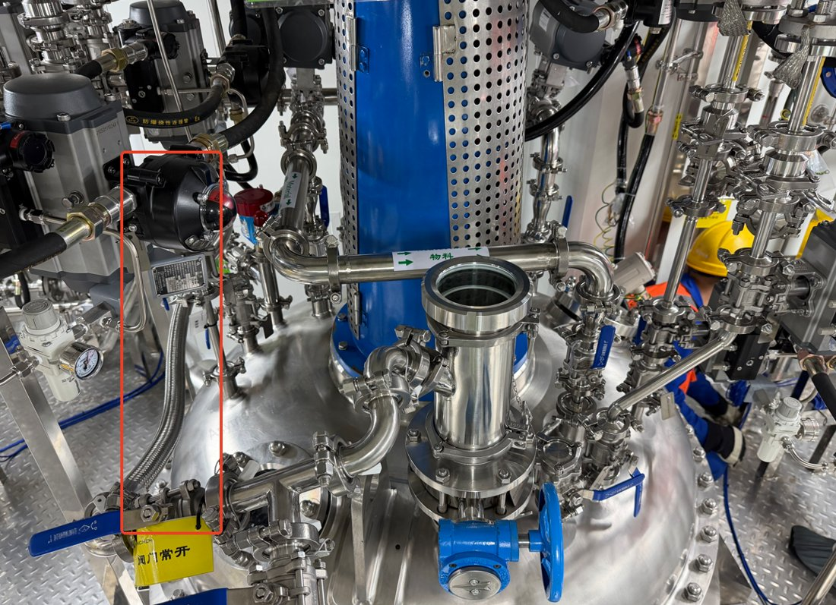
1213-Sy12 other-solvent pump, outlet line | 1213-Sy12 circulation cleaning line 3

P-03 · Line 3, 4 | P-04 · Line 4
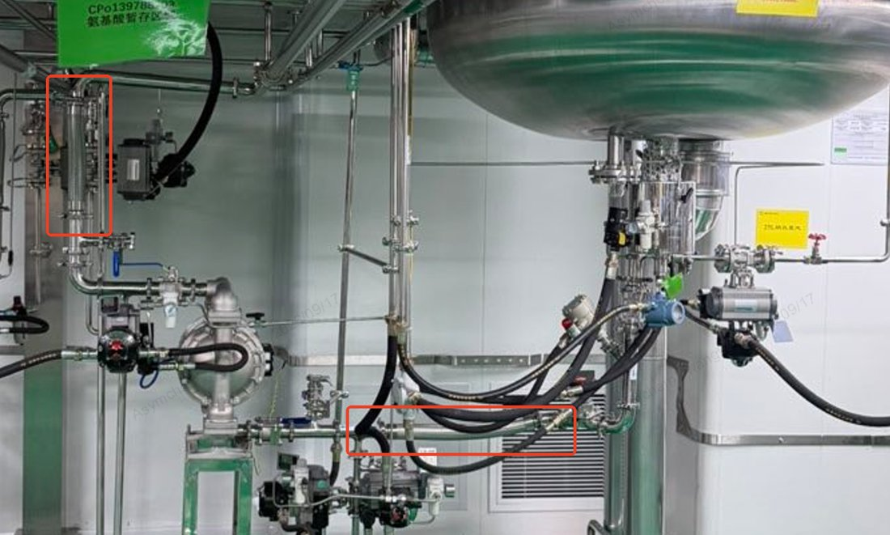 | 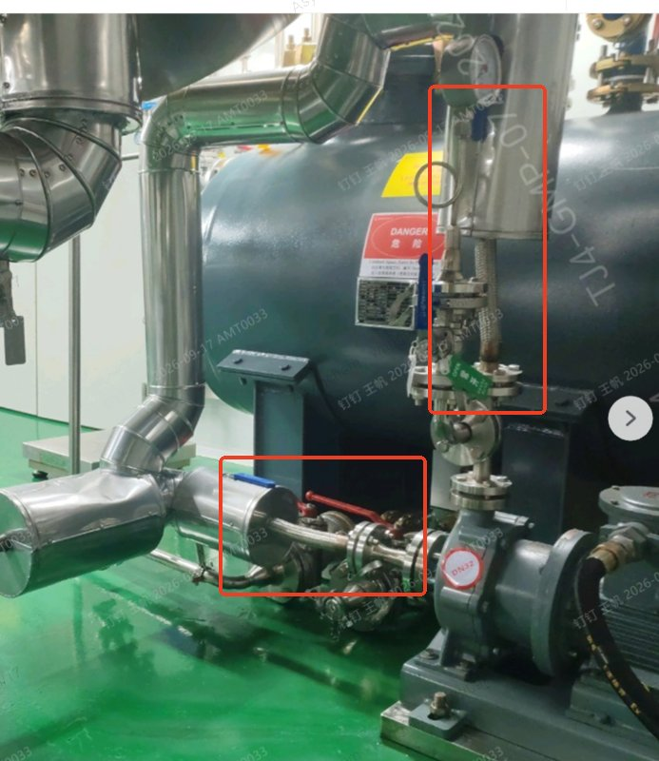
1213-Sy12 activation tank transfer pump, suction and discharge lines | 1213-Sy12 activation tank transfer pump, additional view

P-05 · Line 5, 6 | P-06 · Line 9, 10, 14, 15
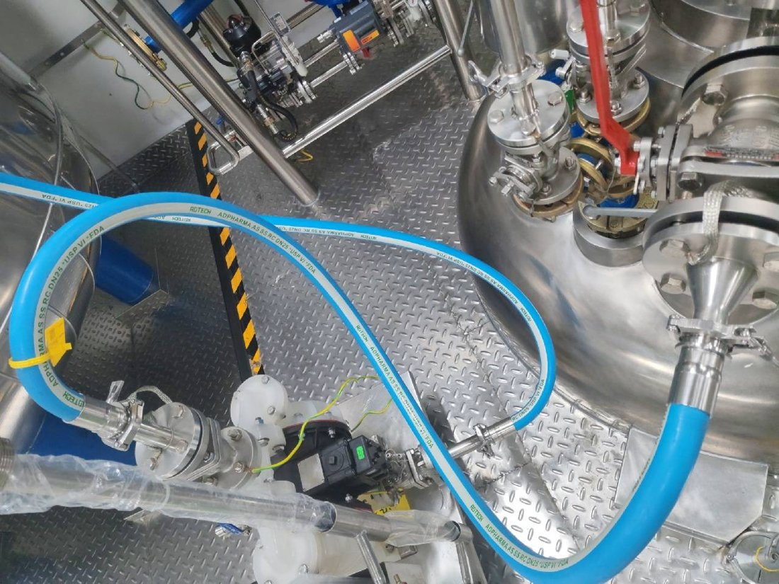 | 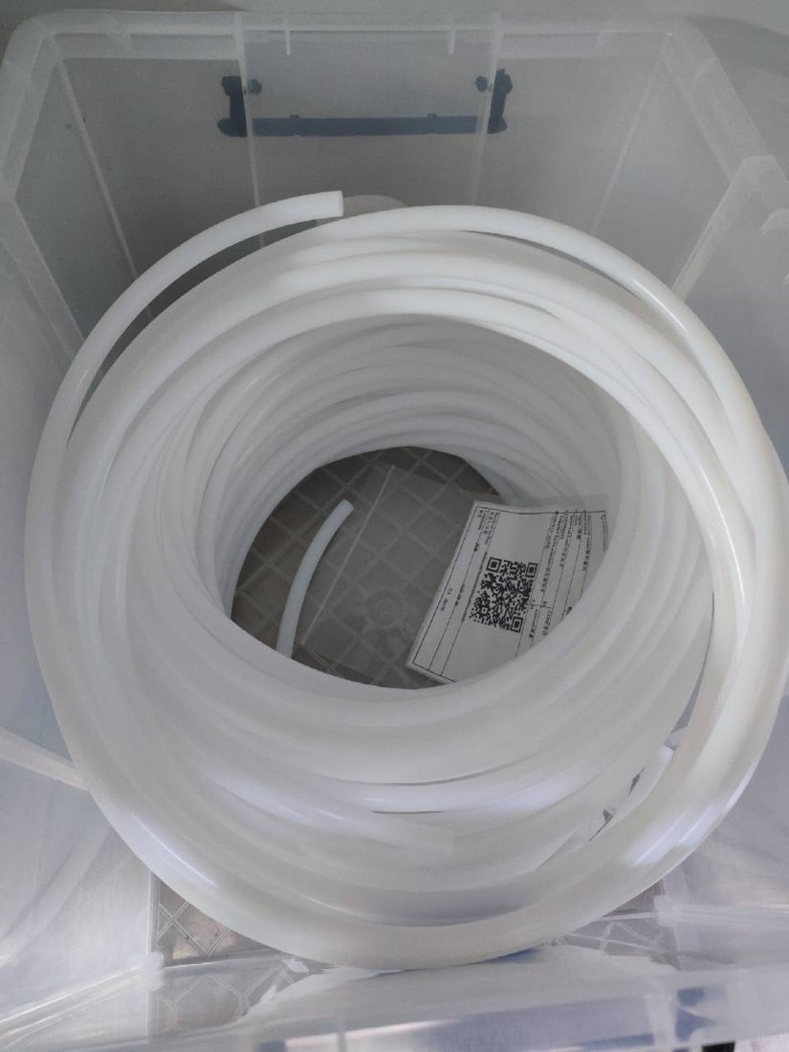
1213-R23 reactor transfer pump, suction and discharge lines | Ø8 mm PTFE dosing tubing (typical installation)

P-07 · Line 11, 12 | P-08 · Line 13
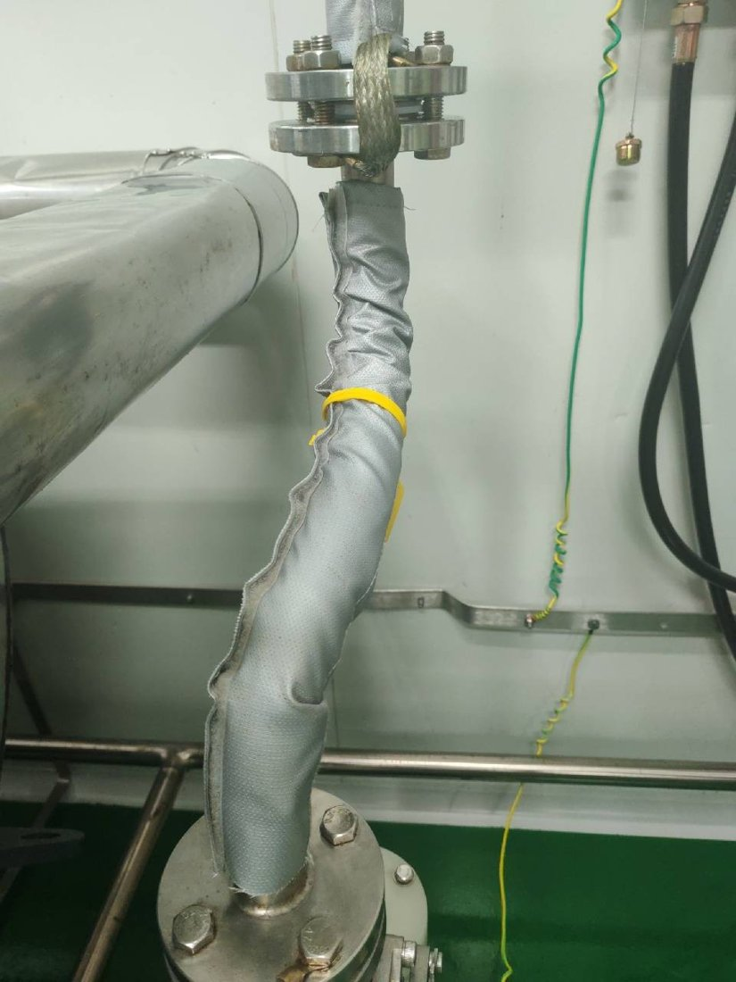 | 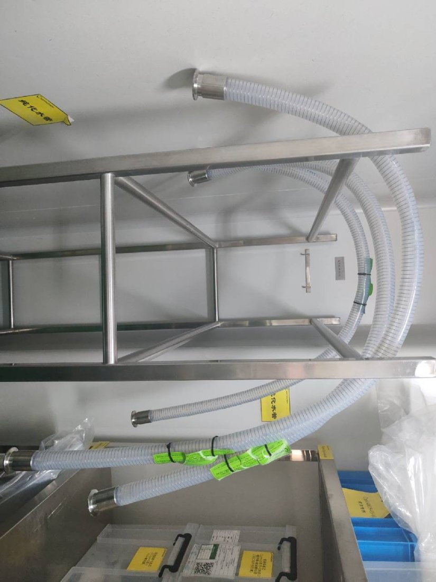
1213-R10 / 1200-F04 bottom outlet transfer pump connections | Purified-water point connection

P-09 · Line 16, 17, 18 | P-10 · Line 19
 | 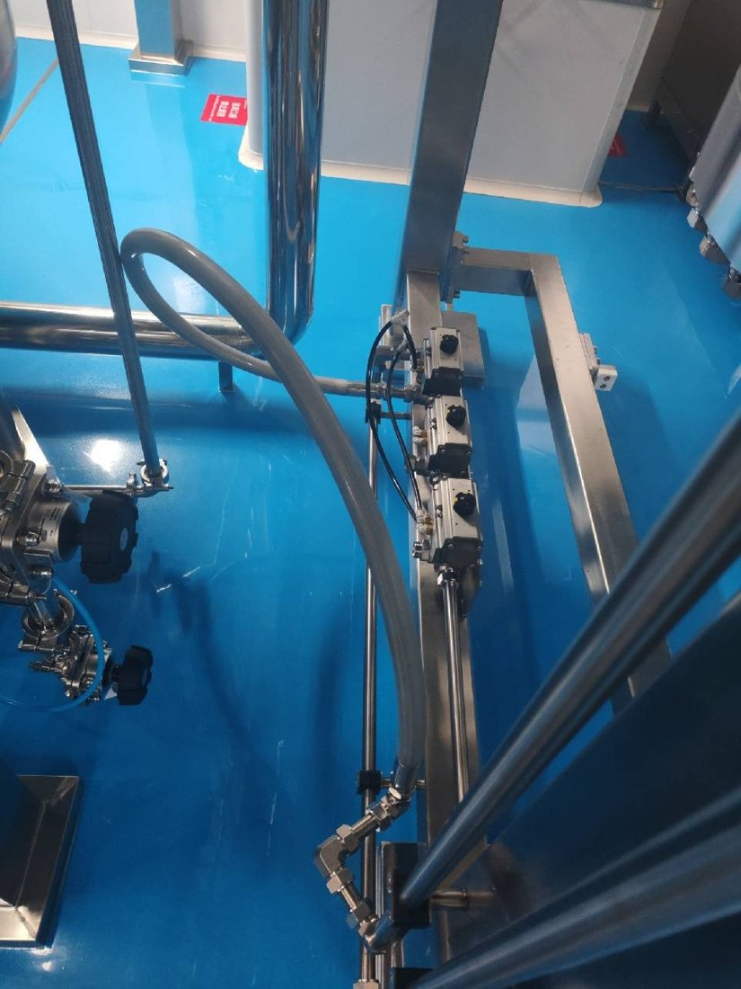
Braided hoses for 1211-MTK03 and 1211-HPPC03-AT02 (typical) | 1211-Co05 prep column inlet and outlet

P-11 · Line 20, 21 | P-12 · Line 22
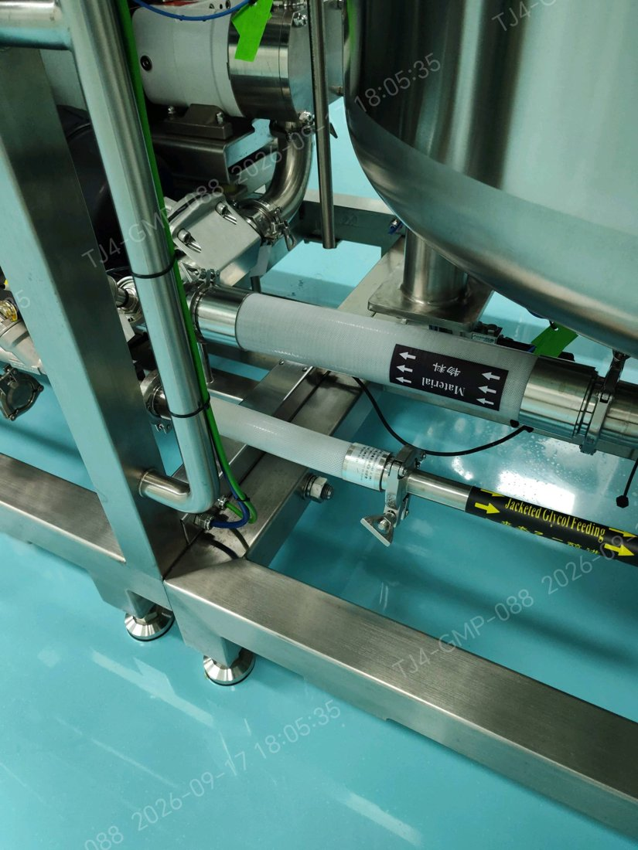 | 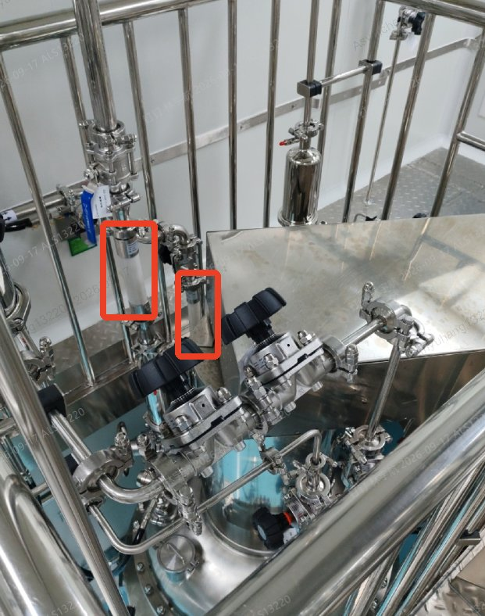
TFF ultrafiltration system, vessel connections | 1211-AT01 charging port

